BrianLoughPinning
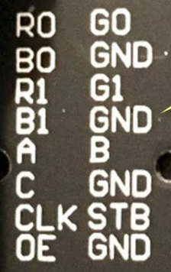
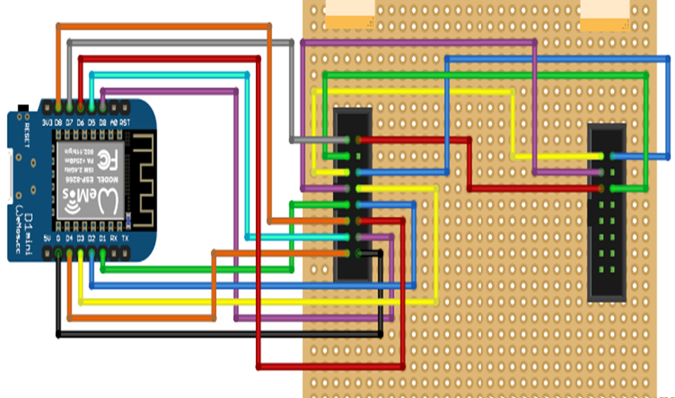
 | Connector | ESP | ESP | Connector
 | R0 | D7 | to R1 | GO
 | B0 | to G1 | nc | GND
 | R1 | to R0 | to G0 | G1
 | B1 | to B0 | D3 | E
 | A | D1 | D2 | B
 | C | D8 | D6 | D
 | CLK | D5 | D0 | STB
 | OE | D4 | GND | GND

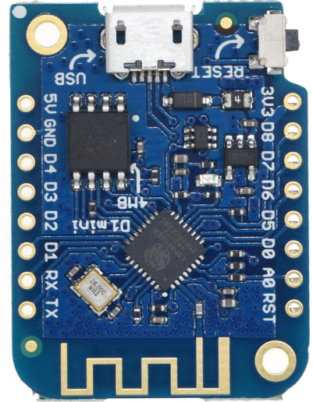

 | L | R
D7 | R0
 | R1 | R0
 | G0 | R1
 | G1 | G0
 | B0 | G1
 | B1 | B0
 |  | B1

Sheet1
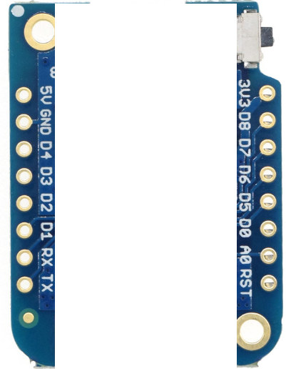

Connector | ESP | ESP | Connector
R0 | D7 | to R1 | GO
B0 | to G1 | nc | GND
R1 | to R0 | to G0 | G1
B1 | to B0 | D3 | E
A | D1 | D2 | B
C | D8 | D6 | D
CLK | D5 | D0 | STB
OE | D4 | GND | GND

AtMegaPinning
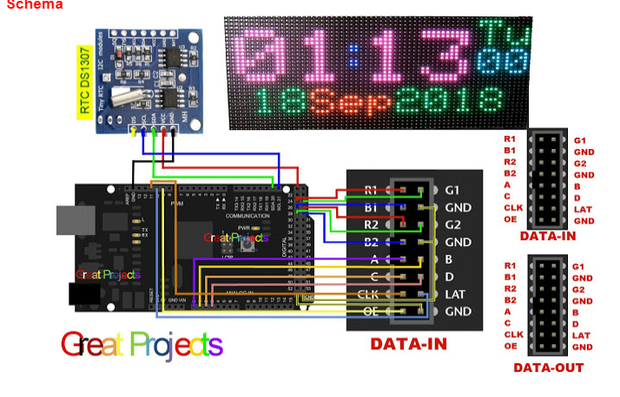

MorphinClock
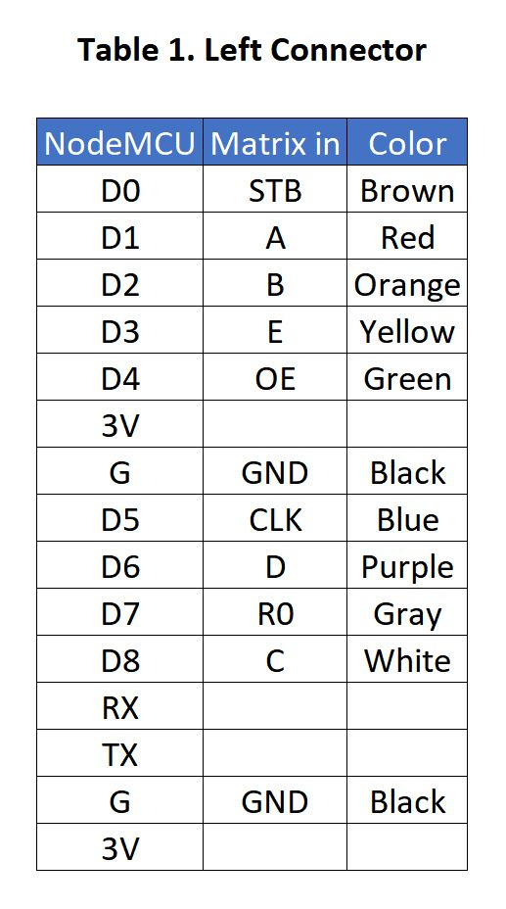
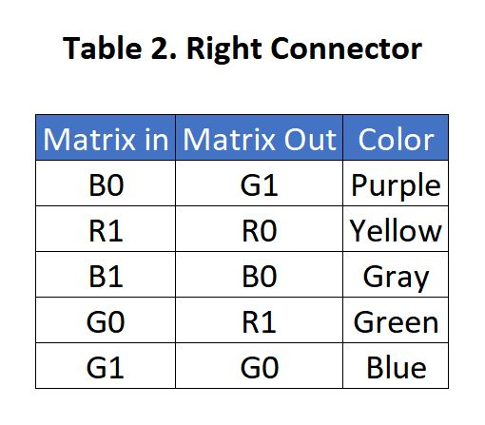
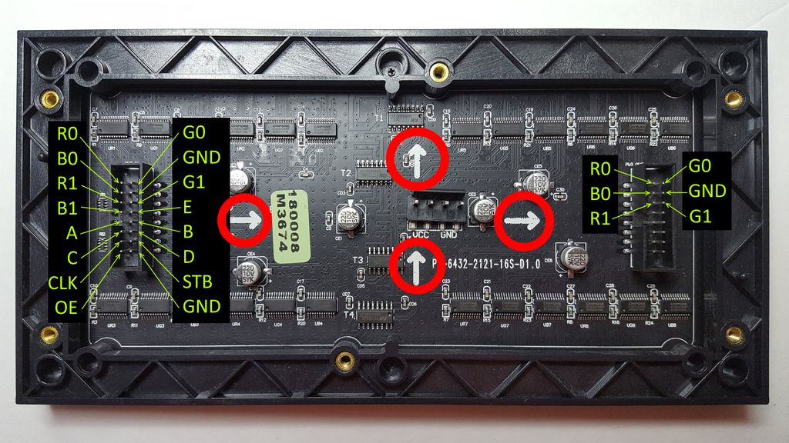

https://www.instructables.com/id/Morphing-Digital-Clock/

